WEDDING BUDGET
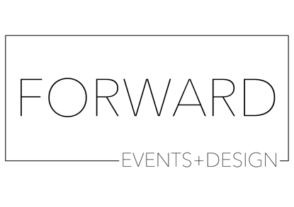

WEDDING BUDGET created by Forward Events + Design

EXPENSE | BUDGET AVERAGE % | ESTIMATED BUDGET (your ideal budget) | ACTUAL BUDGET (quoted prices)
VENUE/FOOD/BEVERAGE (this should be about 30-50% of your budget) | 50% | $0.00 | $0
CEREMONY (this should be around 5-10% of your budget) | 8% | $0.00 | $0
FLOWERS (this be around 8-10% of your budget) | 7% | $0.00 | $0
PHOTOGRAPHY/VIDEO (this should be around 5-15% of your budget) | 10% | $0.00 | $0
DESIGN/DÉCOR (this should be around 5% of your budget) | 5% | $0.00 | $0
STATIONARY (this should be around 2-3% of your budget) | 3% | $0.00 | $0
TRANSPORTATION (should be around 2% of your budget) | 2% | $0.00 | $0
CAKE/DESSERT (should be around 2-4% of your budget) | 3% | $0.00 | $0
ENTERTAINMENT (should be around 5-10% of your budget) | 7% | $0.00 | $0
MISCELLANEOUS (should be around 5-10% of your budget and can include things like guest favors, extra décor elements etc.) | 5% | $0.00 | $0
PERCENTAGE TOTAL | 100%
TOTAL BUDGET | $0.00 | $0.00 | $0.00

